3. CFIA OLC
Modernized VTEC method – Stx qPCR reporting spreadsheet
Lab ID: | OLC-RDS
Date: | 2022-03-17
Instrument ID: | Lightcycler 96
Analyst: | Mylene Deschenes

Well | Sample (S#) | Dye channel | Cq/Ct | Fluorescence/EPF | Comments | Include amplification curves & heat map figures here:
A1 | 1 | FAM | 22.92 | 1.29
A1 | 1 | HEX | 10.51 | 0.42 |  | FAM
B1 | 2 | FAM | 22.70 | 1.31
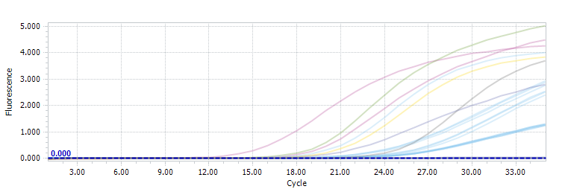
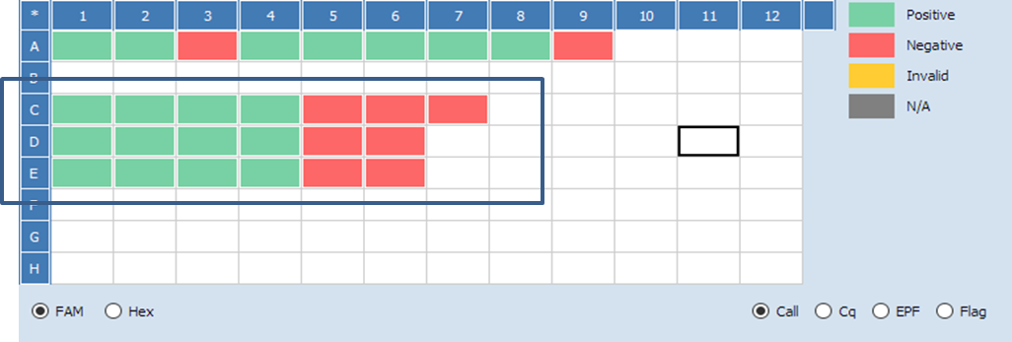
B1 | 2 | HEX | 10.48 | 0.45
C1 | 3 | FAM | 22.89 | 1.25
C1 | 3 | HEX | 10.51 | 0.45
A2 | 4 | FAM | 21.58 | 2.54
A2 | 4 | HEX | 10.51 | 0.40
B2 | 5 | FAM | 22.00 | 2.40
B2 | 5 | HEX | 10.52 | 0.41
C2 | 6 | FAM | 21.69 | 2.51 |  | HEX
C2 | 6 | HEX | 10.38 | 0.40
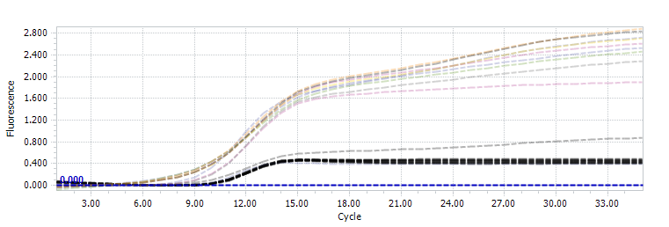

A3 | 7 | FAM | 22.73 | 1.27
A3 | 7 | HEX | 10.29 | 0.44
B3 | 8 | FAM | 22.35 | 1.30
B3 | 8 | HEX | 10.36 | 0.44
C3 | 9 | FAM | 22.76 | 1.24
C3 | 9 | HEX | 10.32 | 0.43
A4 | 10 | FAM | 19.36 | 2.87
A4 | 10 | HEX | 10.59 | 0.40
B4 | 11 | FAM | 19.29 | 2.94
B4 | 11 | HEX | 10.62 | 0.41
C4 | 12 | FAM | 19.68 | 2.75
C4 | 12 | HEX | 10.44 | 0.41
A5 | 13 | FAM | - | 0.01
A5 | 13 | HEX | 8.99 | 0.87
B5 | 14 | FAM | - | 0.03
B5 | 14 | HEX | 10.35 | 0.46
C5 | 15 | FAM | - | 0.01
C5 | 15 | HEX | 10.20 | 0.46
A6 | 16 | FAM | - | 0.02
A6 | 16 | HEX | 10.33 | 0.48
B6 | 17 | FAM | - | 0.03
B6 | 17 | HEX | 10.42 | 0.45
C6 | 18 | FAM | - | 0.01
C6 | 18 | HEX | 10.37 | 0.46
A7 | NTC | FAM | - | 0.03
A7 | NTC | HEX | 10.04 | 0.39

4. CFIA DL
Modernized VTEC method – Stx qPCR reporting spreadsheet
Lab ID: | Dartmouth Lab
Date: | 11-Mar-22
Instrument ID: | Lightcycler 96 (Roche)
Analyst: | Ken Simmons

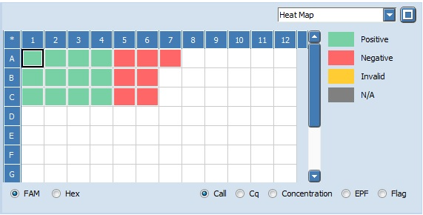
Well | Sample (S#) | Dye channel | Cq/Ct | Fluorescence/EPF | Comments | Include amplification curves & heat map figures here:
A1 | 1 | FAM | 20.2 | 0.86 | Analysis settings had minimum EPF set to 0.05
A1 | 1 | HEX | 13.23 | 0.25 |  | FAM
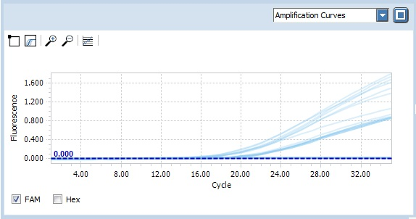
B1 | 2 | FAM | 19.4 | 0.94
B1 | 2 | HEX | 12.95 | 0.25
C1 | 3 | FAM | 20.07 | 0.9
C1 | 3 | HEX | 12.9 | 0.26
A2 | 4 | FAM | 17.24 | 1.39
A2 | 4 | HEX | 13.22 | 0.24
B2 | 5 | FAM | 15.98 | 1.62
B2 | 5 | HEX | 12.91 | 0.3
C2 | 6 | FAM | 17.41 | 1.5 |  | HEX
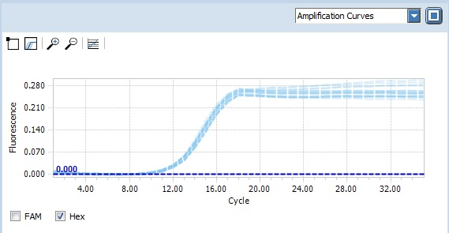
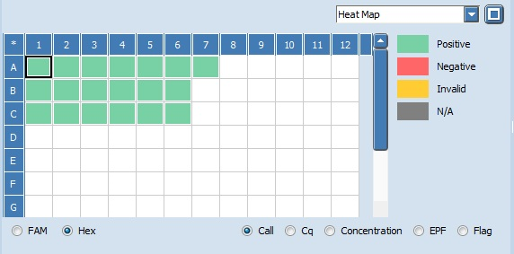
C2 | 6 | HEX | 12.9 | 0.28
A3 | 7 | FAM | 20.13 | 0.89
A3 | 7 | HEX | 13.18 | 0.25
B3 | 8 | FAM | 16.6 | 1.06
B3 | 8 | HEX | 13.01 | 0.29
C3 | 9 | FAM | 19.69 | 0.87
C3 | 9 | HEX | 12.81 | 0.29
A4 | 10 | FAM | 16.97 | 1.75
A4 | 10 | HEX | 13.18 | 0.24
B4 | 11 | FAM | 16.14 | 1.8
B4 | 11 | HEX | 13.12 | 0.24
C4 | 12 | FAM | 16.98 | 1.68
C4 | 12 | HEX | 12.97 | 0.25
A5 | 13 | FAM | n/a | 0.02
A5 | 13 | HEX | 13.14 | 0.24
B5 | 14 | FAM | n/a | 0.02
B5 | 14 | HEX | 12.79 | 0.26
C5 | 15 | FAM | n/a | 0.02
C5 | 15 | HEX | 12.76 | 0.26
A6 | 16 | FAM | n/a | 0.02
A6 | 16 | HEX | 13.14 | 0.26
B6 | 17 | FAM | n/a | 0.02
B6 | 17 | HEX | 13.09 | 0.26
C6 | 18 | FAM | n/a | 0.01
C6 | 18 | HEX | 12.77 | 0.26
A7 | NTC | FAM | n/a | 0.02
A7 | NTC | HEX | 12.83 | 0.26

5. CFIA STH
Modernized VTEC method – Stx qPCR reporting spreadsheet
Lab ID: | St-Hyacinthe (STH)
Date: | 2022-03-09
Instrument ID: | Lightcycler 96 C669525
Analyst: | Julie Roy

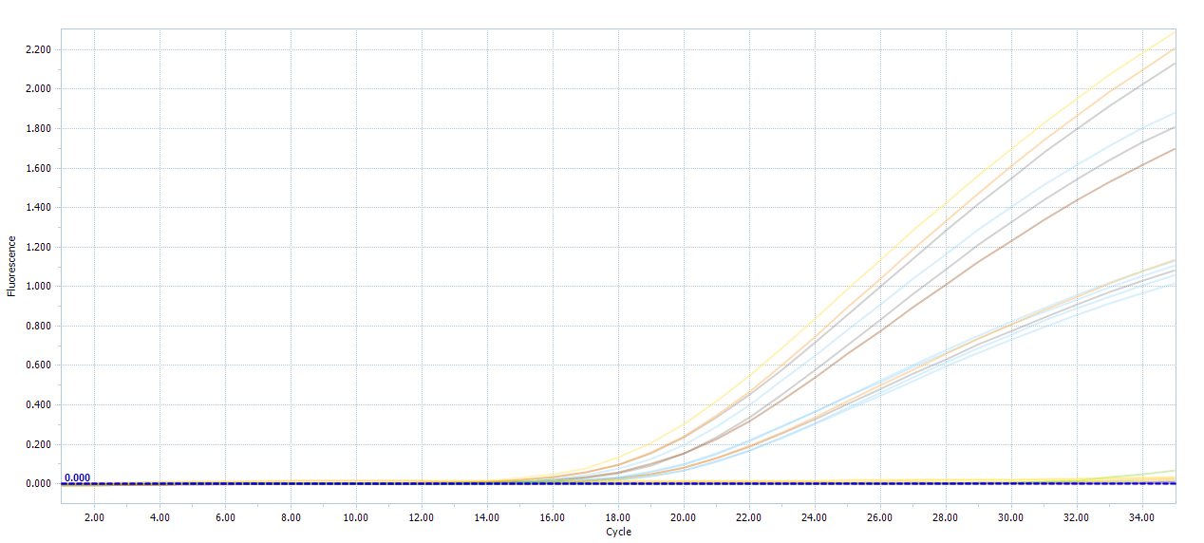
Well | Sample (S#) | Dye channel | Cq/Ct | Fluorescence/EPF | Comments | Include amplification curves & heat map figures here:
A1 | 1 | FAM | 18.70 | 1.13
A1 | 1 | HEX | 12.57 | 0.13 |  | FAM
B1 | 2 | FAM | 19.40 | 1.06
B1 | 2 | HEX | 12.24 | 0.14
C1 | 3 | FAM | 18.57 | 1.11
C1 | 3 | HEX | 12.45 | 0.12
A2 | 4 | FAM | 17.84 | 1.81
A2 | 4 | HEX | 12.30 | 0.20
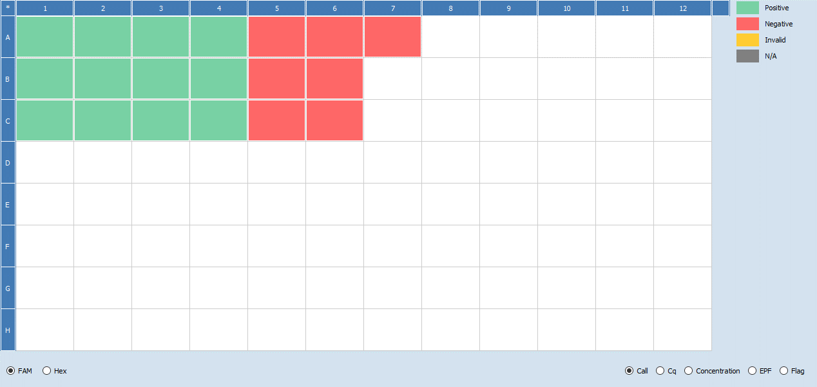
B2 | 5 | FAM | 17.24 | 1.88
B2 | 5 | HEX | 12.08 | 0.21
C2 | 6 | FAM | 17.59 | 1.70
C2 | 6 | HEX | 12.65 | 0.12
A3 | 7 | FAM | 19.09 | 1.13
A3 | 7 | HEX | 12.67 | 0.12
B3 | 8 | FAM | 18.97 | 1.08 |  | HEX
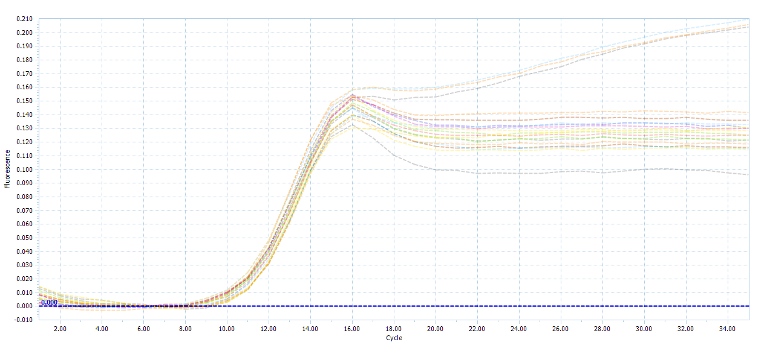
B3 | 8 | HEX | 12.46 | 0.12
C3 | 9 | FAM | 19.36 | 1.02
C3 | 9 | HEX | 12.30 | 0.12
A4 | 10 | FAM | 16.02 | 2.29
A4 | 10 | HEX | 12.59 | 0.13
B4 | 11 | FAM | 16.63 | 2.20
B4 | 11 | HEX | 12.10 | 0.20
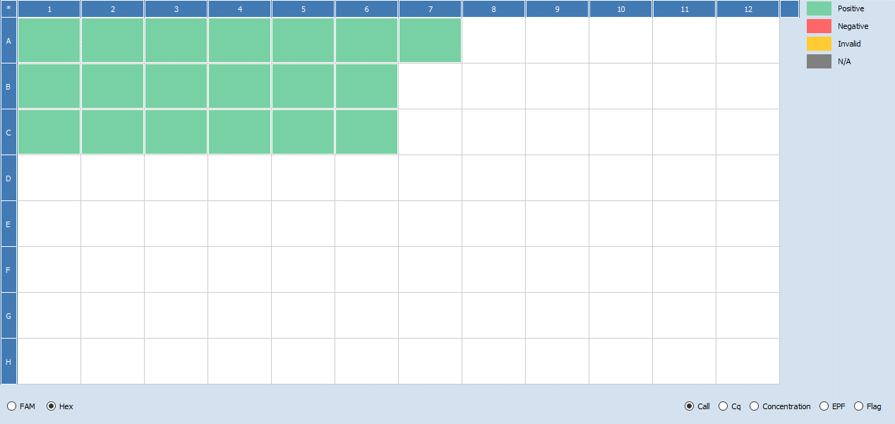
C4 | 12 | FAM | 16.64 | 2.13
C4 | 12 | HEX | 12.62 | 0.10
A5 | 13 | FAM | - | 0.07
A5 | 13 | HEX | 12.36 | 0.13
B5 | 14 | FAM | - | 0.03
B5 | 14 | HEX | 12.23 | 0.13
C5 | 15 | FAM | - | 0.01
C5 | 15 | HEX | 12.11 | 0.14
A6 | 16 | FAM | - | 0.01
A6 | 16 | HEX | 12.33 | 0.13
B6 | 17 | FAM | - | 0.01
B6 | 17 | HEX | 12.40 | 0.12
C6 | 18 | FAM | - | 0.03
C6 | 18 | HEX | 12.59 | 0.11
A7 | NTC | FAM | - | 0.01
A7 | NTC | HEX | 12.23 | 0.13

6. CFIA GTA
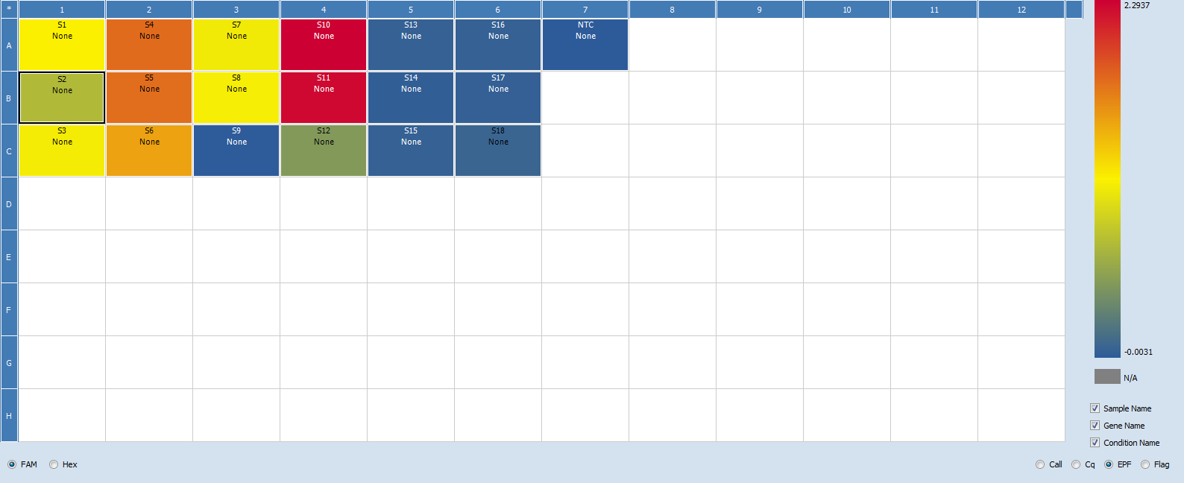
Modernized VTEC method – Stx qPCR reporting spreadsheet
Lab ID: | GTA Lab
Date: | 31-Mar-22
Instrument ID: | LightCycler 96 - Roche
Analyst: | DH/DD/AC/SF |  |  | *Minimum EPF limit set to 0.05

Well | Sample (S#) | Dye channel | Cq/Ct | Fluorescence/EPF | Comments | Include amplification curves & heat map figures here: | *Dark blue dotted line is the minimum EPF (should be at 0.05 but in graphs it's shown at 0.000)
A1 | 1 | FAM | 15.84 | 1.15
A1 | 1 | HEX | 13.1 | 0.23 |  | FAM Amp. Curve
B1 | 2 | FAM | 20.65 | 0.73
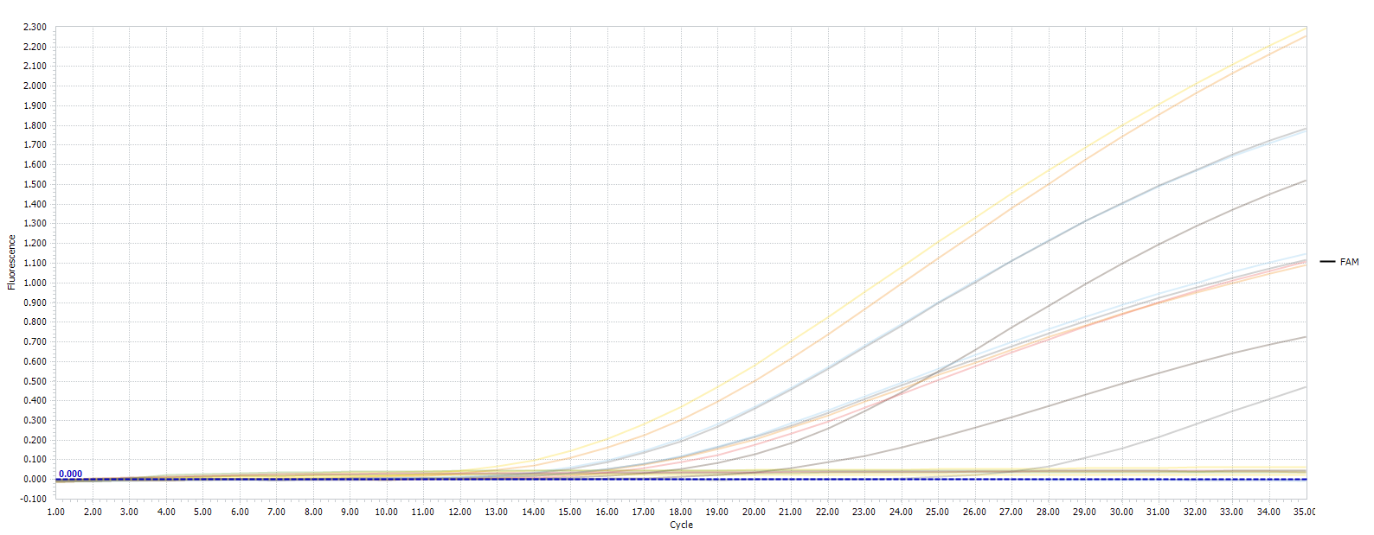
B1 | 2 | HEX | 12.49 | 0.27
C1 | 3 | FAM | 16.73 | 1.11
C1 | 3 | HEX | 12.66 | 0.25
A2 | 4 | FAM | 14.73 | 1.78
A2 | 4 | HEX | 12.72 | 0.27
B2 | 5 | FAM | 14.54 | 1.77
B2 | 5 | HEX | 12.77 | 0.27
C2 | 6 | FAM | 17.87 | 1.52
C2 | 6 | HEX | 12.6 | 0.27
A3 | 7 | FAM | 16.05 | 1.09
A3 | 7 | HEX | 12.96 | 0.24
B3 | 8 | FAM | 15.84 | 1.12
B3 | 8 | HEX | 12.76 | 0.25
C3 | 9 | FAM | - | 0
C3 | 9 | HEX | 12.37 | 0.26
A4 | 10 | FAM | 12.23 | 2.29
A4 | 10 | HEX | 13.06 | 0.27
B4 | 11 | FAM | 12.98 | 2.25
B4 | 11 | HEX | 12.7 | 0.27
C4 | 12 | FAM | 27.34 | 0.47
C4 | 12 | HEX | 12.63 | 0.25
A5 | 13 | FAM | - | 0.04
A5 | 13 | HEX | 13.53 | 0.17 |  | HEX Amp. Curve
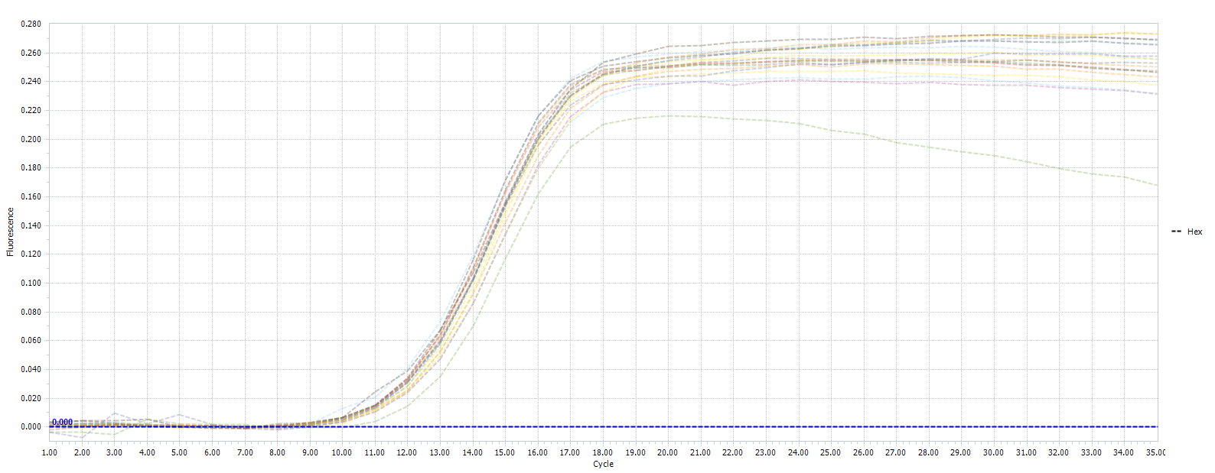
B5 | 14 | FAM | - | 0.02
B5 | 14 | HEX | 12.85 | 0.26
C5 | 15 | FAM | - | 0.04
C5 | 15 | HEX | 12.66 | 0.25
A6 | 16 | FAM | - | 0.04
A6 | 16 | HEX | 13.1 | 0.23
B6 | 17 | FAM | - | 0.24
B6 | 17 | HEX | 12.82 | 0.25
C6 | 18 | FAM | 25.07 | 0.07
C6 | 18 | HEX | 12.99 | 0.24
A7 | NTC | FAM | - | 0
A7 | NTC | HEX | 12.78 | 0.26

 |  |  |  |  |  | FAM & HEX Amp. Curve

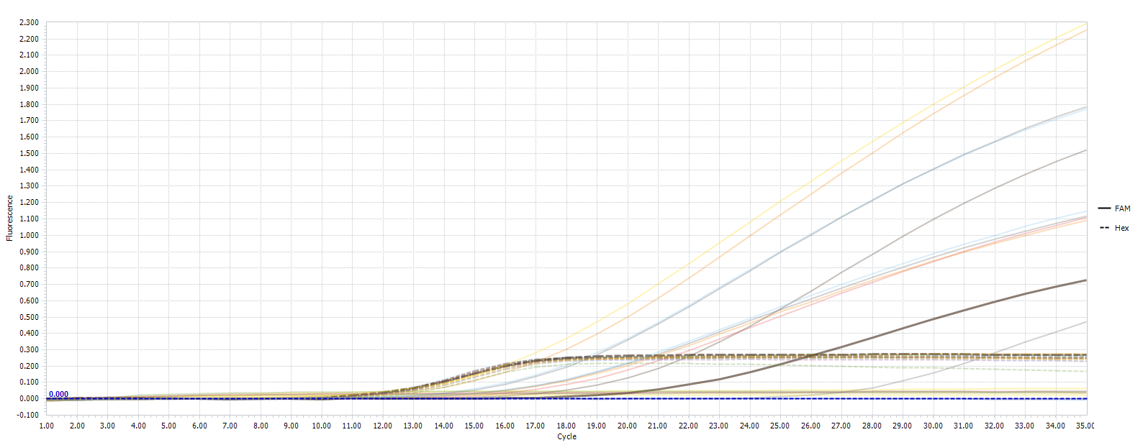

 |  |  |  |  |  | Heat Map (Call)

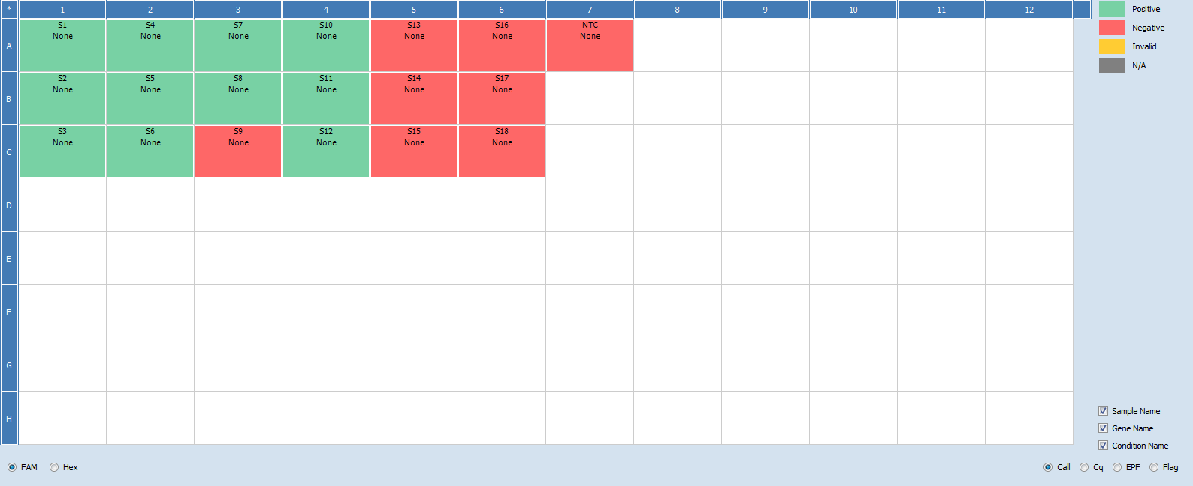

 |  |  |  |  |  | Heat Map (Cq)
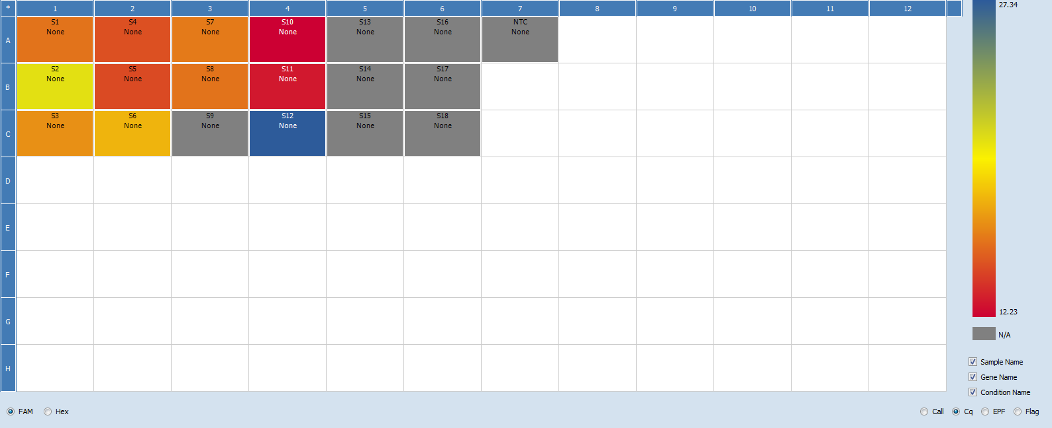

 |  |  |  |  |  | Heat Map (EPF)

7. CFIA OLC Quantstudio 6
Modernized VTEC method – Stx qPCR reporting spreadsheet
Lab ID: | OLC-RDS
Date: | 2022-03-17
Instrument ID: | Quantstudio 6
Analyst: | Mylene Deschenes

Well | Sample (S#) | Dye channel | Cq/Ct | Amp score | Comments | Include amplification curves & heat map figures here:
A1 | 1 | FAM | 20.98 | 2.70
A1 | 1 | HEX | 6.94 | 2.19 |  | FAM
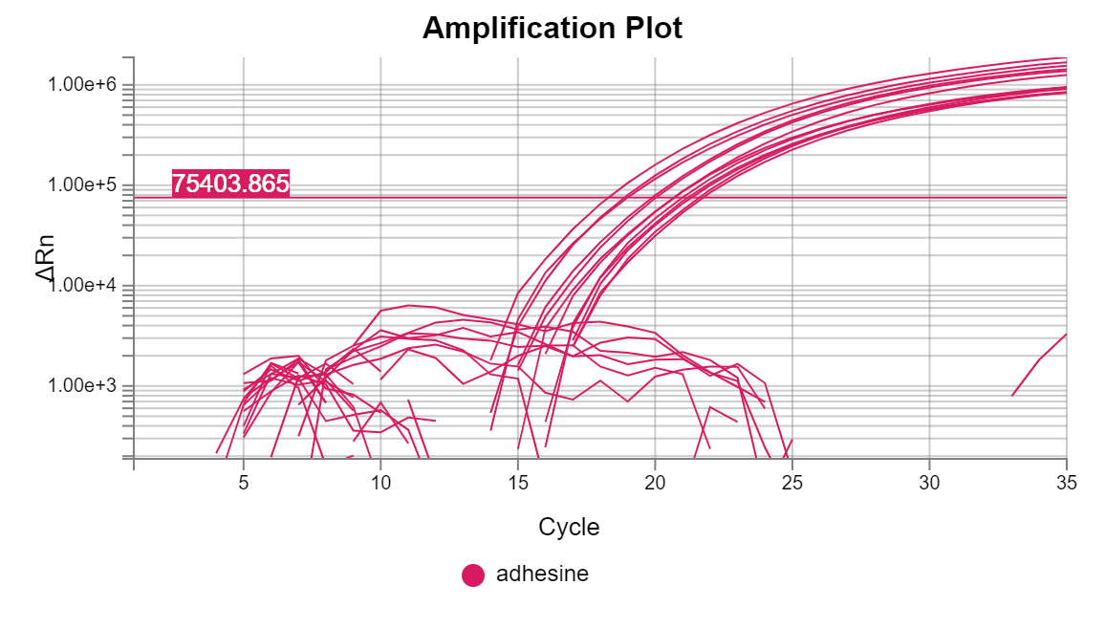
B1 | 2 | FAM | 21.58 | 2.70
B1 | 2 | HEX | 6.44 | 0.00
C1 | 3 | FAM | 21.73 | 2.69
C1 | 3 | HEX | 5.62 | 2.20
A2 | 4 | FAM | 19.89 | 2.81
A2 | 4 | HEX | 6.43 | 2.18
B2 | 5 | FAM | 20.02 | 2.80
B2 | 5 | HEX | 6.95 | 2.18
C2 | 6 | FAM | 20.67 | 2.77 |  | HEX
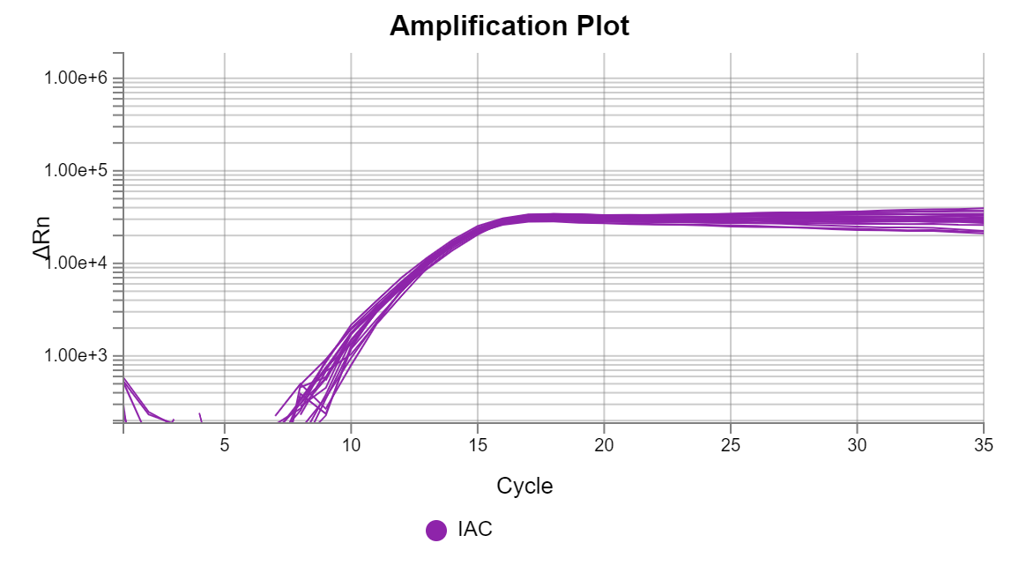
C2 | 6 | HEX | 7.04 | 2.20
A3 | 7 | FAM | 20.68 | 2.69
A3 | 7 | HEX | 6.05 | 2.18
B3 | 8 | FAM | 21.18 | 2.67
B3 | 8 | HEX | 4.50 | 2.17
C3 | 9 | FAM | 21.30 | 2.67
C3 | 9 | HEX | 6.81 | 2.19
A4 | 10 | FAM | 18.29 | 2.82
A4 | 10 | HEX | 6.37 | 2.19
B4 | 11 | FAM | 18.88 | 2.81
B4 | 11 | HEX | 6.43 | 2.19
C4 | 12 | FAM | 19.00 | 2.79
C4 | 12 | HEX | 7.49 | 2.18
A5 | 13 | FAM | Undetermined | 0.00
A5 | 13 | HEX | 6.43 | 2.20
B5 | 14 | FAM | Undetermined | 0.00
B5 | 14 | HEX | 7.16 | 2.20
C5 | 15 | FAM | Undetermined | 0.00
C5 | 15 | HEX | 6.66 | 2.20
A6 | 16 | FAM | Undetermined | 0.00
A6 | 16 | HEX | 6.78 | 2.20
B6 | 17 | FAM | Undetermined | 0.00
B6 | 17 | HEX | 6.53 | 2.19
C6 | 18 | FAM | Undetermined | 0.00
C6 | 18 | HEX | 6.59 | 2.20
A7 | NTC | FAM | Undetermined | 1.81
A7 | NTC | HEX | 6.52 | 2.20

8. HC LG BioRad
Modernized VTEC method – Stx qPCR reporting spreadsheet
Lab ID: | HC Longueuil
Date: | 2022-03-10
Instrument ID: | MA-0102 (Biorad CFX96)
Analyst: | D. Plante

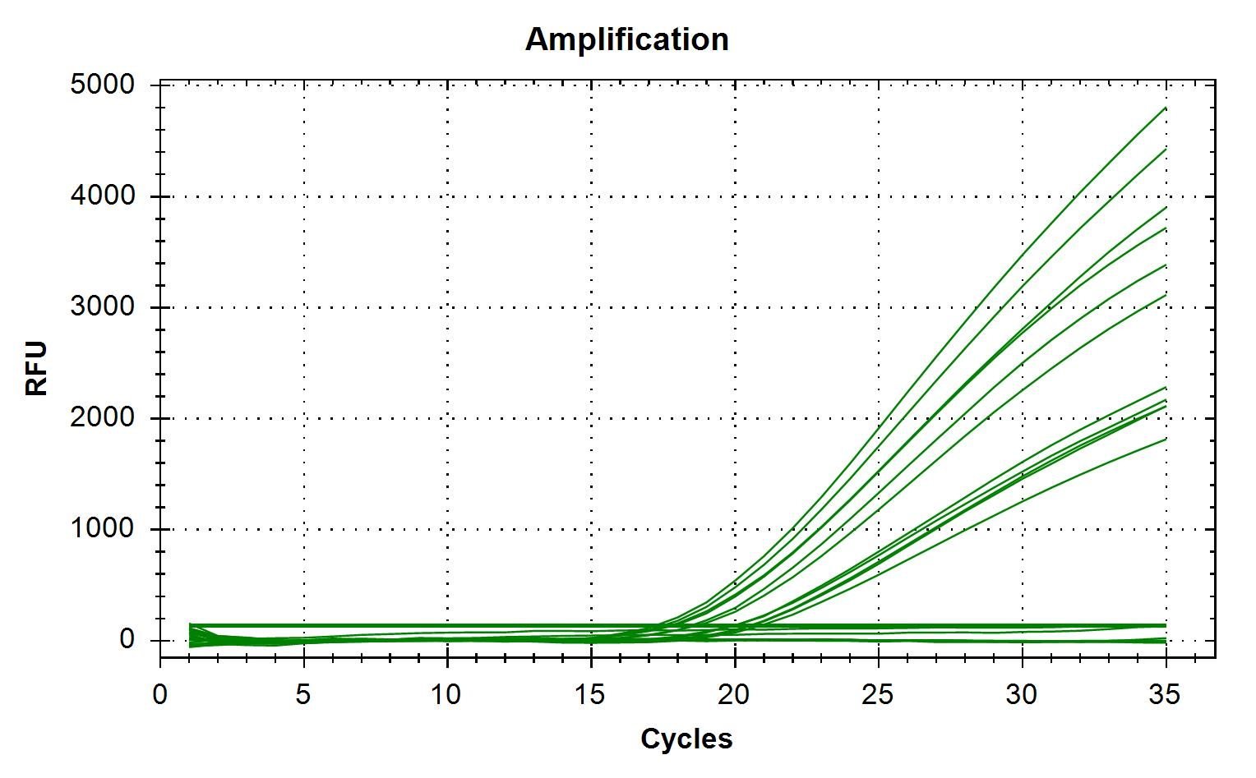
Well | Sample (S#) | Dye channel | Cq/Ct | Fluorescence/EPF | Comments | Include amplification curves & heat map figures here:
A1 | 1 | FAM | 20.51 | 1857.342
A1 | 1 | HEX | 12.06 | 372.869 |  | FAM |  |  | 1 | 2 | 3 | 4 | 5 | 6 | 7
B1 | 2 | FAM | 19.95 | 2027.843 |  |  |  | A | 20.51 | 18.46 | 20.00 | 17.48 | 0.00 | 0.00 | 0.00
B1 | 2 | HEX | 12.61 | 379.201 |  |  |  | B | 19.95 | 17.86 | 20.51 | 17.23 | 0.00 | 0.00
C1 | 3 | FAM | n/a | -0.451 | Well C1 of DNA plate was cracked (see picture) and therefore not used |  |  | C | 0.00 | 18.63 | 20.87 | 17.69 | 0.00 | 0.00
C1 | 3 | HEX | 14.90 | 201.060
A2 | 4 | FAM | 18.46 | 3063.758
A2 | 4 | HEX | 13.68 | 294.910
B2 | 5 | FAM | 17.86 | 3373.336
B2 | 5 | HEX | 13.20 | 393.037
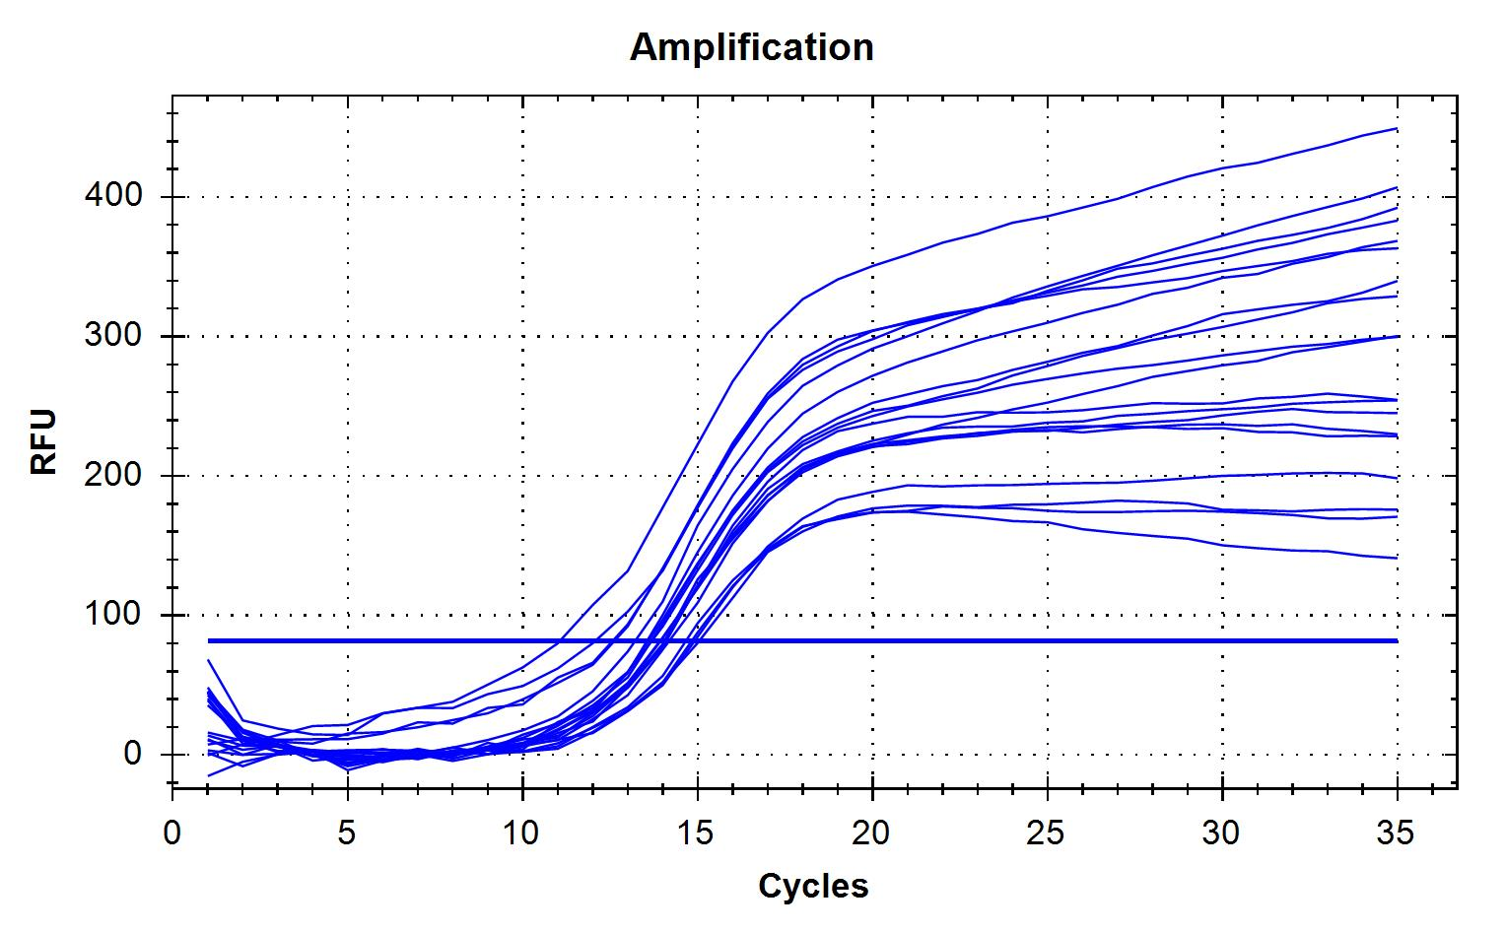
C2 | 6 | FAM | 18.63 | 2796.269 |  | HEX |  |  | 1 | 2 | 3 | 4 | 5 | 6 | 7
C2 | 6 | HEX | 13.59 | 321.907 |  |  |  | A | 12.06 | 13.68 | 13.93 | 13.67 | 14.10 | 14.18 | 15.03
A3 | 7 | FAM | 20.00 | 1920.750 |  |  |  | B | 12.61 | 13.20 | 11.05 | 13.55 | 12.56 | 14.08
A3 | 7 | HEX | 13.93 | 252.395 |  |  |  | C | 14.90 | 13.59 | 14.66 | 13.92 | 14.04 | 14.82
B3 | 8 | FAM | 20.51 | 1875.200
B3 | 8 | HEX | 11.05 | 437.219
C3 | 9 | FAM | 20.87 | 1602.212
C3 | 9 | HEX | 14.66 | 171.112
A4 | 10 | FAM | 17.48 | 3951.915 |  |  | NOTE : Automatic threshold for HEX was very low, resulting in absurdly low Ct's. Threshold was raised manually.
A4 | 10 | HEX | 13.67 | 327.805
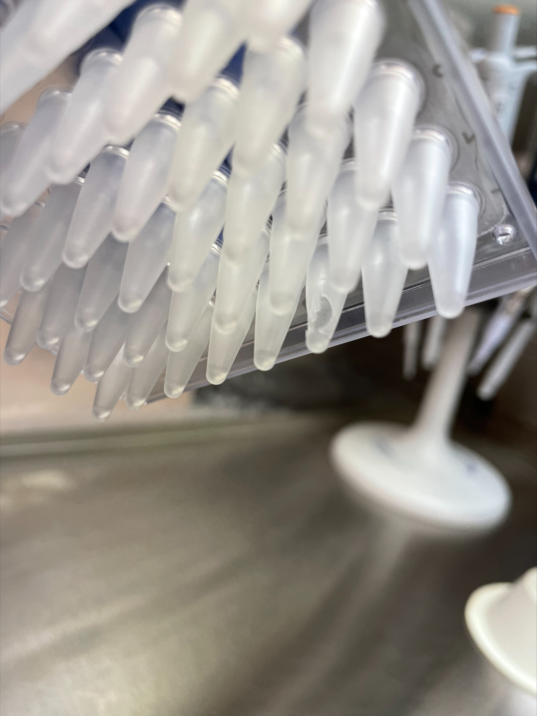
B4 | 11 | FAM | 17.23 | 4294.018
B4 | 11 | HEX | 13.55 | 357.377
C4 | 12 | FAM | 17.69 | 3487.728
C4 | 12 | HEX | 13.92 | 292.131
A5 | 13 | FAM | NaN | -6.973
A5 | 13 | HEX | 14.10 | 229.812
B5 | 14 | FAM | NaN | 2.430
B5 | 14 | HEX | 12.56 | 357.861
C5 | 15 | FAM | NaN | 106.276
C5 | 15 | HEX | 14.04 | 246.161
A6 | 16 | FAM | NaN | 131.180
DNA plate, well C1
A6 | 16 | HEX | 14.18 | 233.840
B6 | 17 | FAM | NaN | -5.194
B6 | 17 | HEX | 14.08 | 256.634
C6 | 18 | FAM | NaN | -12.245
C6 | 18 | HEX | 14.82 | 144.989
A7 | NTC | FAM | NaN | -7.160
A7 | NTC | HEX | 15.03 | 175.617

9. HC LG Quantstudio 5
Modernized VTEC method – Stx qPCR reporting spreadsheet
Lab ID: | HC Longueuil
Date: | 2022-03-10
Instrument ID: | TC-0005 (Applied Biosystems QuantStudio 5)
Analyst: | D. Plante

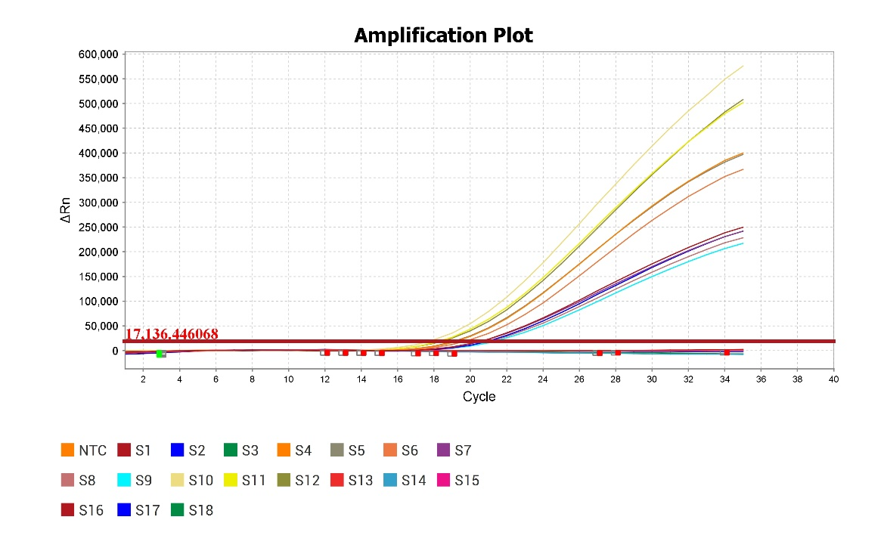
Well | Sample (S#) | Dye channel | Cq/Ct | Fluorescence/EPF | Comments | Include amplification curves & heat map figures here:
A1 | 1 | FAM | 20.36 | 249410.109
A1 | 1 | HEX | 11.95 | 35075.277 |  | FAM |  |  | 1 | 2 | 3 | 4 | 5 | 6 | 7
B1 | 2 | FAM | 20.75 | 241528.203 |  |  |  | A | 20.36 | 19.04 | 20.39 | 17.58 | 0.00 | 0.00 | 0.00
B1 | 2 | HEX | 11.49 | 41826.227 |  |  |  | B | 20.75 | 18.96 | 20.86 | 18.15 | 0.00 | 0.00
C1 | 3 | FAM | Undetermined | 339.995 | Well C1 of DNA plate was cracked (see picture) and therefore not used |  |  | C | 0.00 | 19.55 | 21.12 | 18.25 | 0.00 | 0.00
C1 | 3 | HEX | 12.38 | 29696.936
A2 | 4 | FAM | 19.04 | 399811.094
A2 | 4 | HEX | 12.08 | 27171.023
B2 | 5 | FAM | 18.96 | 396806.875
B2 | 5 | HEX | 11.85 | 31389.100
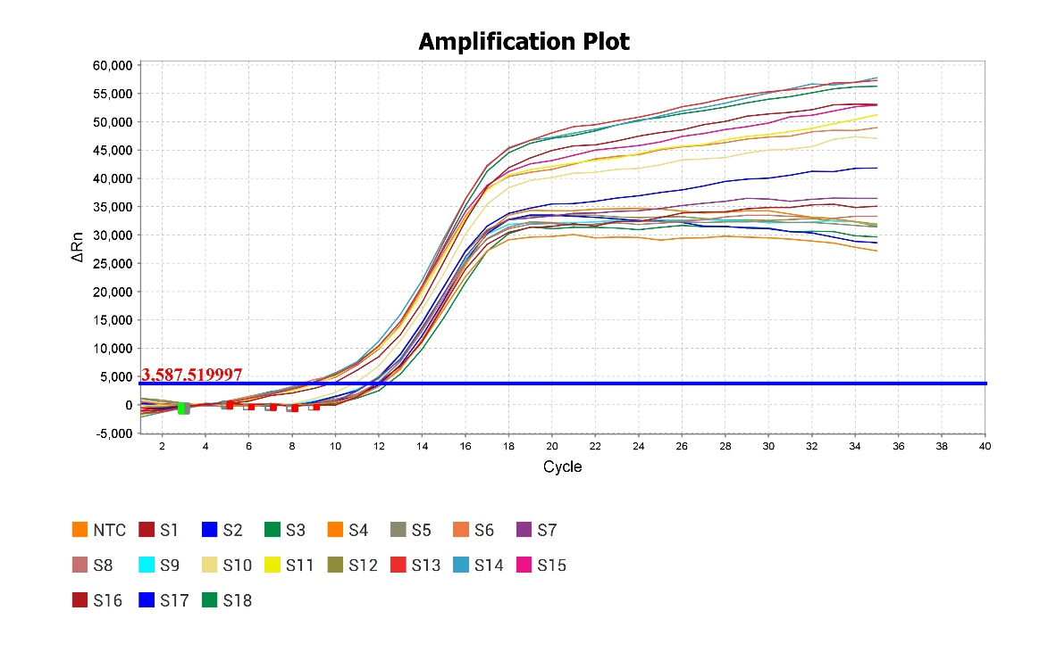
C2 | 6 | FAM | 19.55 | 366593.844 |  | VIC |  |  | 1 | 2 | 3 | 4 | 5 | 6 | 7
C2 | 6 | HEX | 8.43 | 48977.777 |  |  |  | A | 11.95 | 12.08 | 11.60 | 10.81 | 8.74 | 9.59 | 12.14
A3 | 7 | FAM | 20.39 | 241523.609 |  |  |  | B | 11.49 | 11.85 | 11.82 | 8.98 | 8.59 | 11.95
A3 | 7 | HEX | 11.60 | 36485.527 |  |  |  | C | 12.38 | 8.43 | 11.55 | 11.45 | 8.91 | 8.53
B3 | 8 | FAM | 20.86 | 228459.297
B3 | 8 | HEX | 11.82 | 33322.719
C3 | 9 | FAM | 21.12 | 217140.250
C3 | 9 | HEX | 11.55 | 31747.785
A4 | 10 | FAM | 17.58 | 575602.063 |  |  | There is no HEX channel with this instrument thanks to Applied Biosystems actively pushing their own chemistry and not selling HEX calibration plates. You can tinker with the system and make in-house calibration plates using free dyes purchased elsewhere but that's a pain that we aren't willing to suffer. VIC is pretty close and can be used as a viable alternative, which we did here.
A4 | 10 | HEX | 10.81 | 47081.043
B4 | 11 | FAM | 18.15 | 501823.625
B4 | 11 | HEX | 8.98 | 51217.758
C4 | 12 | FAM | 18.25 | 507900.719
C4 | 12 | HEX | 11.45 | 31540.957
A5 | 13 | FAM | Undetermined | 626.483
A5 | 13 | HEX | 8.74 | 57291.152
B5 | 14 | FAM | Undetermined | -7746.044
B5 | 14 | HEX | 8.59 | 57747.844
C5 | 15 | FAM | Undetermined | 1261.074
C5 | 15 | HEX | 8.91 | 52926.527
A6 | 16 | FAM | Undetermined | 2286.821
A6 | 16 | HEX | 9.59 | 53029.965
DNA plate, well C1
B6 | 17 | FAM | Undetermined | -2328.703
B6 | 17 | HEX | 11.95 | 28622.506
C6 | 18 | FAM | Undetermined | -6713.004
C6 | 18 | HEX | 8.53 | 56252.438
A7 | NTC | FAM | Undetermined | 233.245
A7 | NTC | HEX | 12.14 | 31924.217

